Sheet1
 | Technical Implementation | Started Using Since | Used For
1 | Selenium Automation | 7th Oct 2018 | Trade Automation - Fund Initiative automation Project
 | Please find below the appreciation mail for above automation initiative
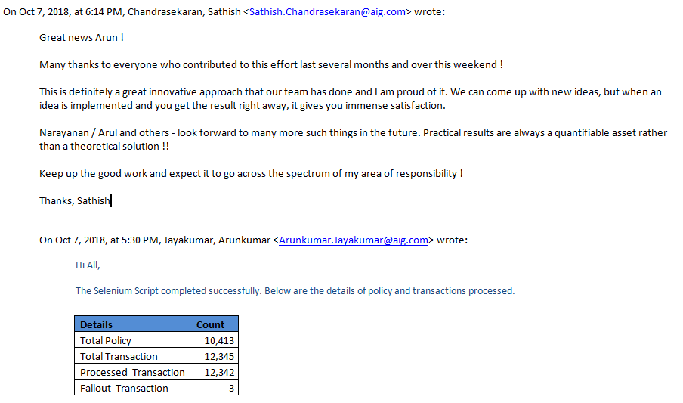

 | Technical Implementation | Started Using Since | Used For
2 | Splunk - Log Analyzing | 26th June 2018 | Analyzing 22nd June 2018 production cycle log (besystem_slave.log)
 | Please find below the sanp on it
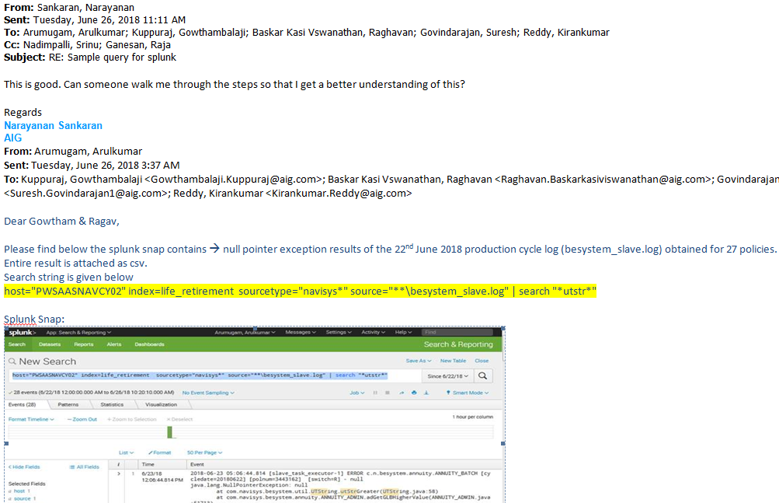

 | Technical Implementation | Started Using Since | Used For
3 | AppDynamics | 8th Feb 2019 | Performance Hit on Navisys-Stage
 | Please find the snap below
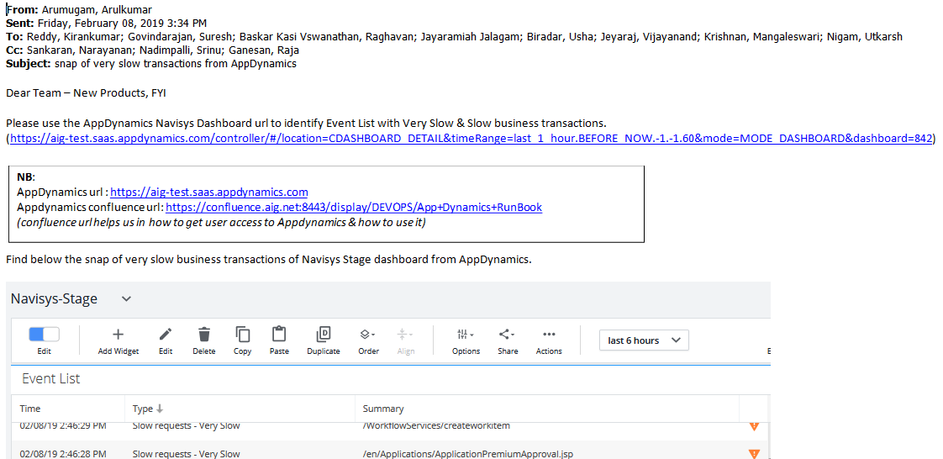

 | Technical Implementation | Started Using Since | Used For
4 | Veracode | 28th Nov 2018 | Finding Security Vulnerabilities using Veracode Static & Dynamic Report for navisysfo application
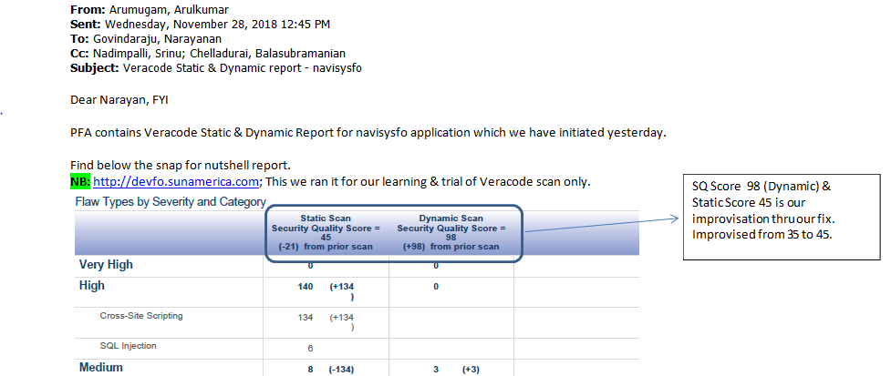

 | Technical Implementation | Started Using Since | Used For
5 | Github & Jenkins | 26th April 2019 | Navisys-fo April Release, we started using Github & Jenkins

 | Technical Implementation | Started Using Since | Used For
6 | Asynchronous Logger | 16th July 2019 | Application Performance Improvisation - Done as a part of DevOps Initiatives

